Аркуш1
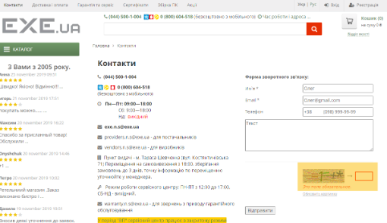
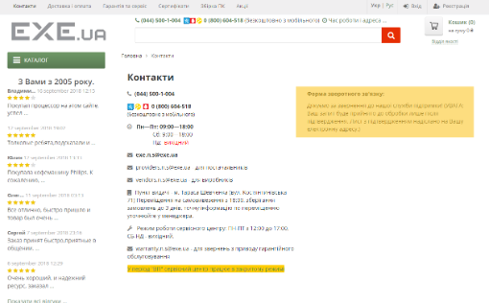
Bug-reports
ID | BR678431 | BR678432 | BR678433 | BR678434 | BR678435
Summary | The language does not change on the Registration page. | "There is no error message in the Price filter for any product category when the filter is applied from highest to lowest." | Не валідується поле email на формі зворотнього зв'язку в сторінці Контакти коли користувач вводить email з символами кирилиці | A window appears with the number of items, which covers the "Price to" field when entering the "Price from". | The filter is not reset when clicking the "Reset Filters" button.
Pre-condstions | Open the website https://exe.ua/ua/ | Open the website https://exe.ua/ua/ | Open the website https://exe.ua/ua/ | Open the website https://exe.ua/ua/ | Open the website https://exe.ua/ua/
 | The user should not be logged in.
Steps | Click the "Registration" button | Click on Catalog. | Click on Contacts. | Click on Contacts. | Click on Contacts.
 | Click the "Укр" button in the upper-right corner of the page | Select the category "PC Components - Graphics Cards". | In the feedback form, enter a valid name - Oleg. | Select the category "PC Components - Graphics Cards". | Select the category "PC Components - Graphics Cards".
 |  | In the "Price from" field, enter 20000. | In the feedback form, enter an invalid email - Oleg@gmail.com. | In the "Price from" field, enter 100. | In the manufacturer filter, choose the "HP" category.
 |  | In the "Price to" field, enter 10. | In the feedback form, enter a valid phone number - +380989999999. |  | Click "Show".
 |  | Press Enter. | Enter feedback text - Text. |  | Click on "Reset Filters".
 |  |  | Enter the captcha displayed at the bottom.
 |  |  | Click the submit button.
 |  |  | Actual: The message "Captcha field is required" appears.
 |  |  | NOTE: The error about the captcha not being entered occurs randomly.
 |  |  | Enter the captcha displayed at the bottom again.
 |  |  | Click the submit button.

Expected result | The page should be translated into Ukrainian. | The filter should not be applied. The "to" field should be highlighted in red. | There should be a message indicating that the email is invalid. | The window showing the available product count does not cover the "Price to" field. | The filter resets and all products are displayed.
Actual result | The localization change is not working. | The filter is applied, and there is no error message. | The message should be: "Thank you for contacting our support service! (NOTE: Your request will only be processed after confirmation. A confirmation email has been sent to your email address.)" | The window showing the available product count covers the "Price to" field. | The filter remains applied, and only HP products are displayed.
Post-conditison
Enviroment | Version 129.0.6668.60 (Official build), (64-bit), all browsers. | Version 129.0.6668.60 (Official build), (64-bit), all browsers. | Version 129.0.6668.60 (Official build), (64-bit), all browsers. | Version 129.0.6668.60 (Official build), (64-bit), all browsers. | Version 129.0.6668.60 (Official build), (64-bit), all browsers.
Severity | Low | Low | Low | Low | Medium
Priority | Low | Low | Low | Low | Medium
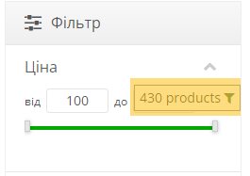
Type of bug | Localization | Functional/Logical. | Functional | User Interface | Functional
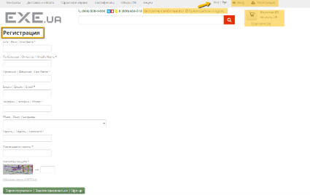
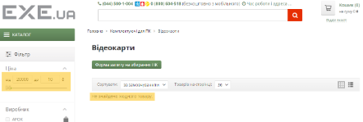
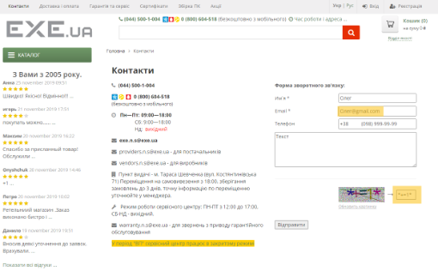
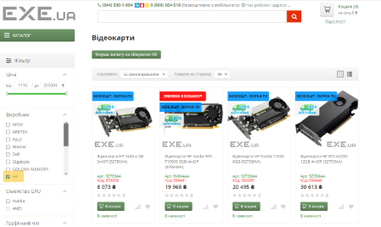
Attachment

